Sheet1
 | A32 electrode site to OpenEphys GUI channel mapping

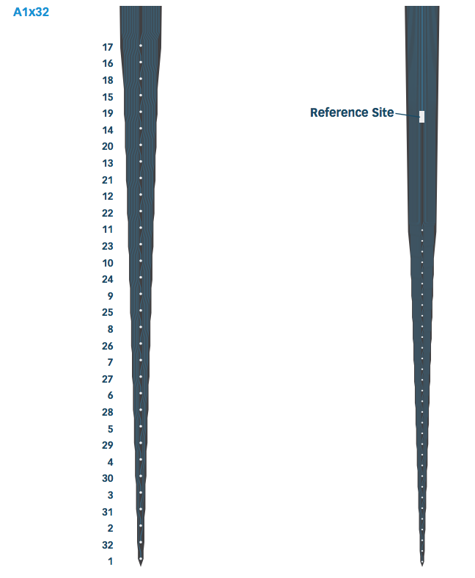
 | Location | A32 Channel # | Adapter channel # | Intan channel nr | Openephys
Surface (shank) | 1 | 17 | 22 | 0 | 1
 | 2 | 16 | 11 | 16 | 17
 | 3 | 18 | 21 | 15 | 16
 | 4 | 15 | 12 | 31 | 32
 | 5 | 19 | 20 | 2 | 3
 | 6 | 14 | 13 | 18 | 19
 | 7 | 20 | 19 | 13 | 14
 | 8 | 13 | 14 | 29 | 30
 | 9 | 21 | 23 | 8 | 9
 | 10 | 12 | 10 | 24 | 25
 | 11 | 22 | 25 | 9 | 10
 | 12 | 11 | 1 | 19 | 20
 | 13 | 23 | 24 | 7 | 8
 | 14 | 10 | 9 | 23 | 24
 | 15 | 24 | 18 | 1 | 2
 | 16 | 9 | 2 | 28 | 29
 | 17 | 25 | 26 | 6 | 7
 | 18 | 8 | 8 | 25 | 26
 | 19 | 26 | 17 | 14 | 15
 | 20 | 7 | 3 | 20 | 21
 | 21 | 27 | 27 | 10 | 11
 | 22 | 6 | 7 | 22 | 23
 | 23 | 28 | 29 | 11 | 12
 | 24 | 5 | 4 | 27 | 28
 | 25 | 29 | 28 | 5 | 6
 | 26 | 4 | 15 | 17 | 18
 | 27 | 30 | 31 | 12 | 13
 | 28 | 3 | 5 | 21 | 22
 | 29 | 31 | 30 | 4 | 5
 | 30 | 2 | 6 | 26 | 27
 | 31 | 32 | 32 | 3 | 4
Deep (tip) | 32 | 1 | 16 | 30 | 31

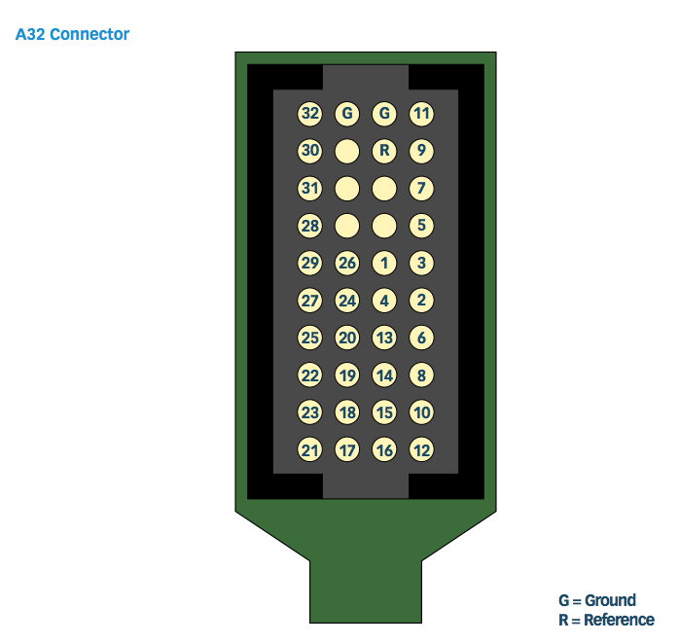
 | Based on empirical adapter --> OpenEphys mapping
 |  |  | Correct? | LR mirrored
 | Location | A32 Channel # |  |  |  | Empirical adapter --> openephys
 | 1 | 17 | 1
 | 2 | 16 | 17 |  |  | 20 |  |  | 4
 | 3 | 18 | 16 |  |  | 29 |  |  | 13
 | 4 | 15 | 32 |  |  | 21 |  |  | 5
 | 5 | 19 | 3 |  |  | 28 |  |  | 12
 | 6 | 14 | 19 |  |  | 22 | 31 | 15 | 6
 | 7 | 20 | 14 |  |  | 27 | 18 | 2 | 11
 | 8 | 13 | 30 |  |  | 23 | 30 | 14 | 7
 | 9 | 21 | 9 |  |  | 26 | 19 | 3 | 10
 | 10 | 12 | 25 |  |  | 24 | 32 | 16 | 8
 | 11 | 22 | 10 |  |  | 25 | 17 | 1 | 9
 | 12 | 11 | 20
 | 13 | 23 | 8 |  |  | MIRRORED ADAPTER IMAGE (= a32 output pins)
 | 14 | 10 | 24 |  |  | 4 |  |  | 20
 | 15 | 24 | 2 |  |  | 13 |  |  | 29
 | 16 | 9 | 29 |  |  | 5 |  |  | 21
 | 17 | 25 | 7 |  |  | 12 |  |  | 28
 | 18 | 8 | 26 |  |  | 6 | 15 | 31 | 22
 | 19 | 26 | 15 |  |  | 11 | 2 | 18 | 27
 | 20 | 7 | 21 |  |  | 7 | 14 | 30 | 23
 | 21 | 27 | 11 |  |  | 10 | 3 | 19 | 26
 | 22 | 6 | 23 |  |  | 8 | 16 | 32 | 24
 | 23 | 28 | 12 |  |  | 9 | 1 | 17 | 25
 | 24 | 5 | 28
 | 25 | 29 | 6
 | 26 | 4 | 18
 | 27 | 30 | 13
 | 28 | 3 | 22
 | 29 | 31 | 5
 | 30 | 2 | 27
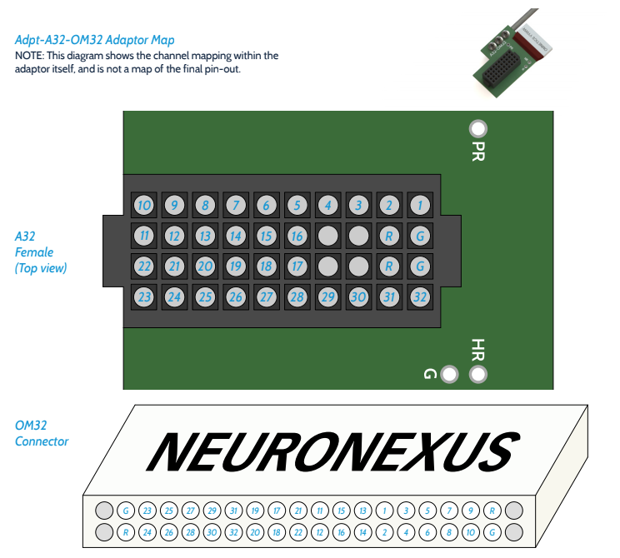
 | 31 | 32 | 4
 | 32 | 1 | 31

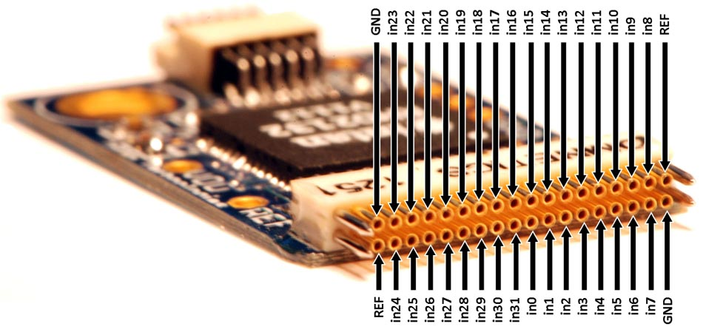
 | Location | A32 Channel # | Adapter channel # | Intan channel nr | Openephys
Surface (shank) | 1 | 17 | 22 | 0 | 1
 | 2 | 16 | 11 | 16 | 17
 | 3 | 18 | 21 | 15 | 16
 | 4 | 15 | 12 | 31 | 32
 | 5 | 19 | 20 | 2 | 3
 | 6 | 14 | 13 | 18 | 19
 | 7 | 20 | 19 | 13 | 14
 | 8 | 13 | 14 | 29 | 30
 | 9 | 21 | 23 | 8 | 9
 | 10 | 12 | 10 | 24 | 25
 | 11 | 22 | 25 | 9 | 10
 | 12 | 11 | 1 | 19 | 20
 | 13 | 23 | 24 | 7 | 8
 | 14 | 10 | 9 | 23 | 24
 | 15 | 24 | 18 | 1 | 2
 | 16 | 9 | 2 | 28 | 29
 | 17 | 25 | 26 | 6 | 7
 | 18 | 8 | 8 | 25 | 26
 | 19 | 26 | 17 | 14 | 15
 | 20 | 7 | 3 | 20 | 21
 | 21 | 27 | 27 | 10 | 11
 | 22 | 6 | 7 | 22 | 23
 | 23 | 28 | 29 | 11 | 12
 | 24 | 5 | 4 | 27 | 28
 | 25 | 29 | 28 | 5 | 6
 | 26 | 4 | 15 | 17 | 18
 | 27 | 30 | 31 | 12 | 13
 | 28 | 3 | 5 | 21 | 22
 | 29 | 31 | 30 | 4 | 5
 | 30 | 2 | 6 | 26 | 27
 | 31 | 32 | 32 | 3 | 4
Deep (tip) | 32 | 1 | 16 | 30 | 31

